Sheet1
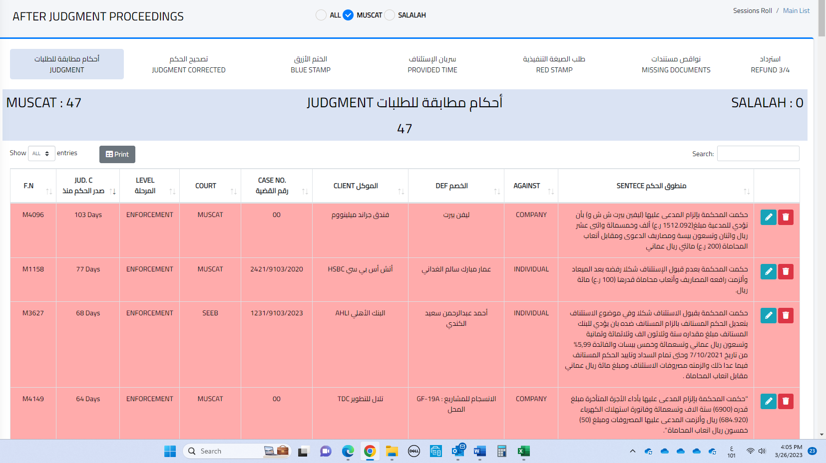
Regarding SEAL OF JUDGMENT this option has been removed from the SEAL OF JUDGMENT section and moved to here.

